Overview of the Standards
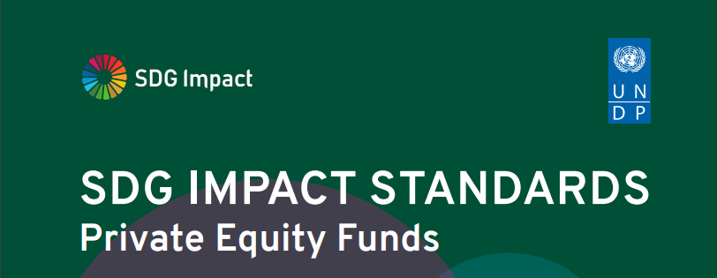

UNDP SDG Impact is delighted to present version 1.0 of the SDG Impact Standards for Private Equity Funds. The Standards enter a rapidly changing context. COVID 19 and systemic risks associated with climate change affect all sectors. These factors underscore the urgency for action and inform renewed aspiration in the business, finance and investment community to commit to sustainable development and the SDGs. The SDG timeline and how much we still need to achieve by 2030 reinforces why we need these Standards now. The Standards are for private equity, debt and venture capital fund managers (Private Equity Fund Managers) who want to make a positive contribution to sustainable development and achieving the SDGs through one or more of their Funds. They provide a roadmap and practical guidance to translate that intent to action. The Standards are provided as a public good. They are voluntary and freely available for all to use as best practice standards and a self-assessment tool. They are the first set to be released in what will be a harmonized suite of Standards for different actors across the capital and investment spectrum. They are new and pioneering. Several stages of consultation, including two public consultations, provided critical practitioner and expert feedback. More lessons will come from fund managers putting them into practice, and these lessons will be reflected in future version releases.

 | Standard 1 | Standard 2 | Standard 3 | Standard 4

 | STRATEGY | MANAGEMENT APPROACH | TRANSPARENCY | GOVERNANCE

