Overview of the Standards
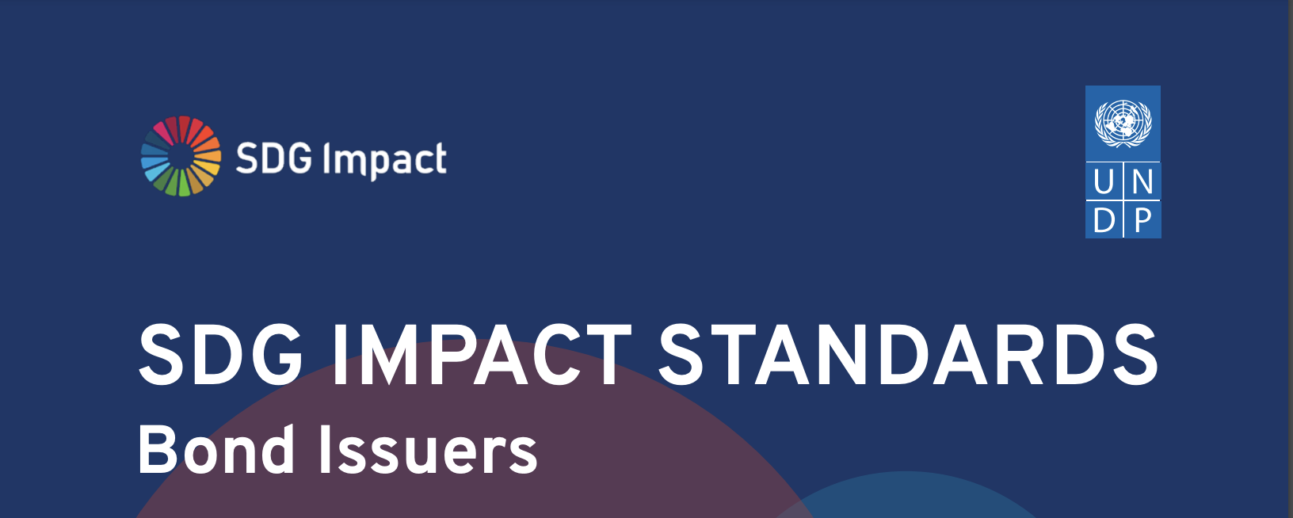

UNDP is pleased to release Version 1.0 of the SDG Impact Standards for Bond Issuers, following two rounds of public consultation. We are thankful that so many individuals and organizations took the time for thoughtful reflection and comment through the development of the SDG Impact Standards for Bond Issuers and on both rounds of public consultation. This has had a significant influence on the Standards. Thank you. The Standards are provided for all Bond Issuers – regardless of size, geography or sector – who want to contribute positively to sustainable development and the SDGs. This includes sovereigns (and sub-sovereigns such as states, provinces, cities, towns or municipalities), supra-nationals and government entities, as well as companies, financial institutions and special purpose entities backed by activities, assets or projects (e.g. securitizations, infrastructure). The Standards apply equally to Issuers raising capital for their own use and those raising capital for third party obligors, through both bond and loan programs. The Standards set out an internal decision-making framework to help Bond Issuers develop and implement an impact strategy to contribute positively to sustainable development in line with the SDGs and link that impact strategy to the SDG Bond Program and the Issuer’s organization-wide strategy. Within the scope of the defined impact strategy, the Standards help Bond Issuers direct attention and resources to where they can optimize their SDG contribution by focusing on all material positive and negative impacts. Embedding the Standards into management decision-making will strengthen impact performance and facilitate higher quality and more consistent disclosures.

 | Standard 1 | Standard 2 | Standard 3 | Standard 4

 | STRATEGY | MANAGEMENT APPROACH | TRANSPARENCY | GOVERNANCE

