Overview of the Standards
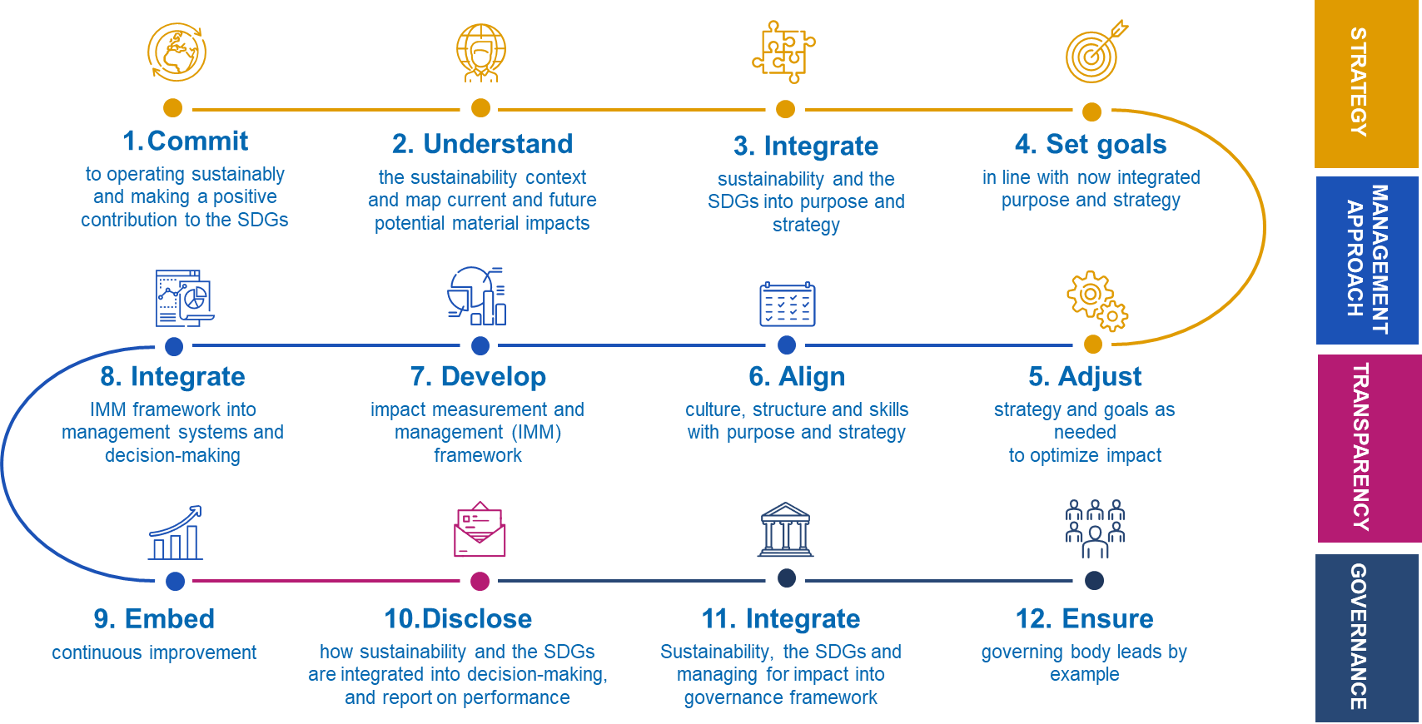
The SDG Impact Standards for Enterprises are internal management standards designed as a best-practice guide for those organizations wanting to operate more sustainably and make a positive contribution towards achievement of the SDGs by integrating responsible business and impact management practices into their internal management systems and decision-making. Enterprises and investors increasingly recognise that sustainability is at the core of long-term value creation but are not yet holistically and systematically integrating sustainability, the SDGs and impact considerations in their decision-making. SDG Impact aims to help make this process easier through the SDG Impact Standards. Good for business. Good for people and planet. The Standards are an overarching organising and decision-making framework grounded in existing principles, standards and market best practices that helps make sense of, and provides context for applying other tools and frameworks, including metrics, taxonomies, and reporting frameworks. The Standards also fill gaps in existing market infrastructure that are currently undermining progress towards sustainability and achieving the SDGs. They define the requirements for strategy, management approach, transparency and governance practices that increase the likelihood that an organization is operating sustainably and contributing positively to the achievement of SDGs. The Standards are process or practice standards - not performance or reporting standards. They do not provide a guarantee of actual performance. But if all organizations were applying the Standards, we believe that there would be positive contribution to sustainability and the SDGs. Enterprises can use the Standards, along with the 12 Enterprise actions, glossary, guidance and this self-assessment tool to map their internal practices against the standard practice indicators, perform a gap analysis and develop an implementation road-map to fill gaps, improve practice ov

