Overview of the Standards
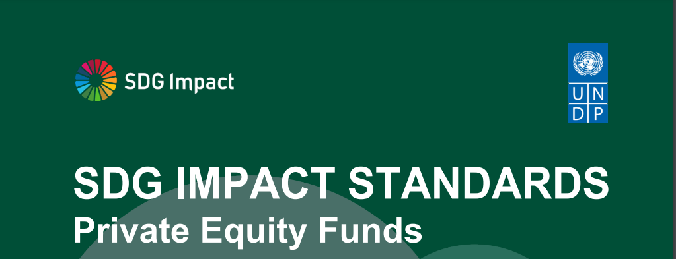

The SDG Impact Standards for PE Funds are internal management standards designed as a best-practice guide for those funds wanting to operate more sustainably and make a positive contribution towards achievement of the SDGs by integrating responsible business and impact management practices into their internal management systems and decision-making. Enterprises and investors increasingly recognise that sustainability is at the core of long-term value creation but are not yet systematically integrating sustainability, the SDGs and impact considerations in their decision-making. SDG Impact aims to help make this process easier through the SDG Impact Standards. Good for business. Good for people and planet. The Standards are an overarching organising and decision-making framework grounded in existing principles, standards and market best practices that helps make sense of, and provides context for applying other tools and frameworks, including metrics, taxonomies, and reporting frameworks. The Standards also fill gaps in existing market infrastructure that are currently undermining progress towards sustainability and achieving the SDGs. They define the requirements for strategy, management approach, transparency and governance practices that increase the likelihood that an organization is operating sustainably and contributing positively to the achievement of SDGs. The Standards are process or practice standards - not performance or reporting standards. They do not provide a guarantee of actual performance. But if all organizations were applying the Standards, we believe that there would be positive contribution to sustainability and the SDGs. The PE fund needs a strategy that embeds this purpose, a set of policies, management practices, culture and incentives that are coherent and aligned with that purpose, and governance that provides effective oversight. This implies that the PE fund is making decisions, at all levels and at a rate, that optimize that co

Instructions
OBJECTIVE

The objective of this tool is to: 1. help you compare the internal management practices of your organization to the best practices contained in the SDG Impact Standards 2. identify priority areas to focus on to improve your practice 3. prepare for assurance

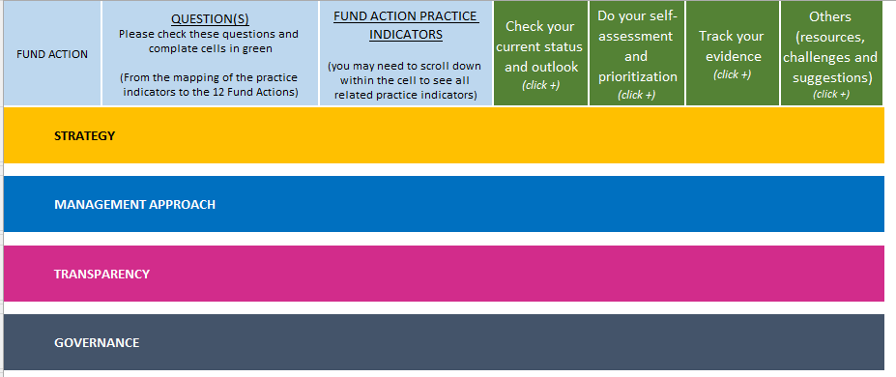
INSTRUCTIONS
The excel contains 4 tabs.
Tab 1 | Overview of the standards: this is a ruick recap of the standards.
Tab 2 | Instructions
Tab 3 | Fill Your Profile (Optional)
Tab 4 | To self-assess your practice
 | If you want to check your current status, perform a gap analysis and record what can be done to improve practices, expand by clicking on + in column I, and fill columns F,G,H.

 | If you want to prioritize and decide what to do next (this about identifying the path of less resistance and the highest value-added for your organization), expand by clicking + in column P and:

 | Are we implementing the action in line with the standards? Choose an option on the drop-down menu from column J.
 | If the answer is "no or in progress", how easy/feasible will it be to do it ? Choose an option on the drop-down menu from column K.
 | What would be the added value of doing it? Choose an option on the drop-down menu from column M.
 | Then, a suggested prioritization will appear in Column O based on your answers.
 | You could also use the excel s registry of information, to add notes if useful, etc:
 | Compile evidence for assurance, expand by clicking on + in column S.
 | Register resources, challenges and any other comments you might have, expand by clicking on + in column W.

QUESTIONS

If you have any questions, please contact SDG Impact

Email | sdgimpact.standards@undp.org

