Instructions
OBJECTIVE

The objective of this tool is to: 1. help you compare the internal management practices of your organization to the best practices contained in the SDG Impact Standards for Enterprises. 2. identify priority areas to focus on to improve your practice 3. prepare for assurance

INSTRUCTIONS |  | OVERVIEW OF SELF-ASSESSMENT TOOL

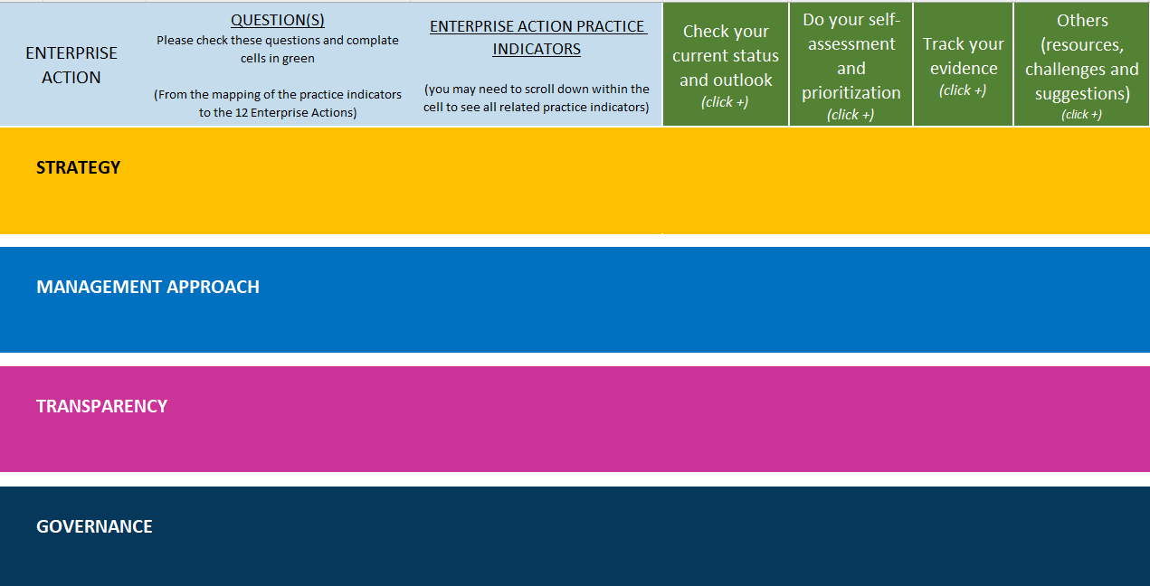
The excel contains 4 tabs.
Tab 1 | Overview of the standards: this is a ruick recap of the standards.
Tab 2 | Instructions
Tab 3 | Fill Your Profile (Optional)
Tab 4 | To self-assess your practice
 | If you want to check your current status, perform a gap analysis and record what can be done to improve practices, fill columns F,G,H.

 | If you want to prioritize and decide what to do next (this about identifying the path of less resistance and the highest value-added for your organization), answer:

 | Are we implementing the action in line with the standards? Choose an option on the drop-down menu from column J.
 | If the answer is "no or in progress", how easy/feasible will it be to do it ? Choose an option on the drop-down menu from column K.
 | What would be the added value of doing it? Choose an option on the drop-down menu from column M.
 | Then, a suggested prioritization will appear in Column O based on your answers.
 | You could also use the excel s registry of information, to add notes if useful, etc:
 | Compile evidence for assurance, fill column Q and add any comments (column R).
 | Register resources, challenges and any other comments you might have, fill columns T, U, V.

QUESTIONS

If you have any questions, please contact us at SDG Impact

Email | sdgimpact.standards@undp.org

